Sheet1
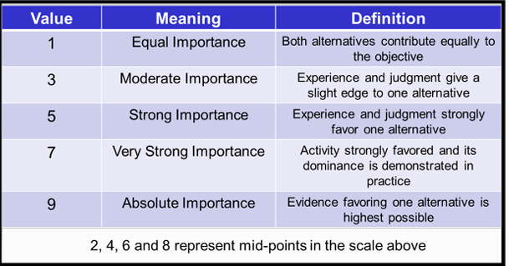
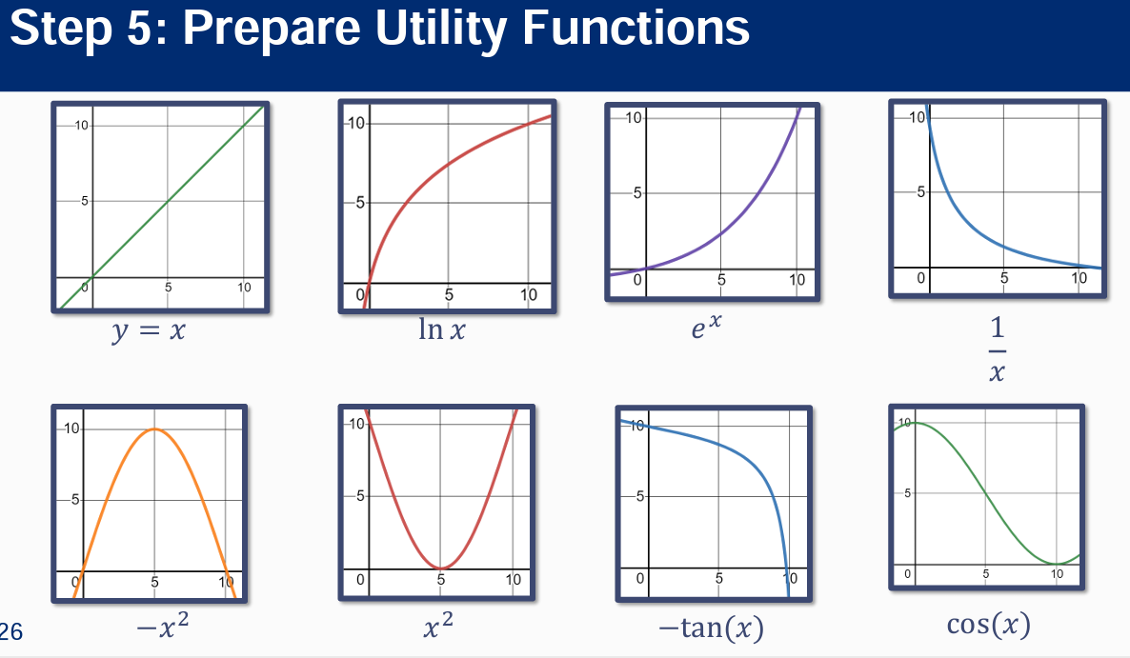
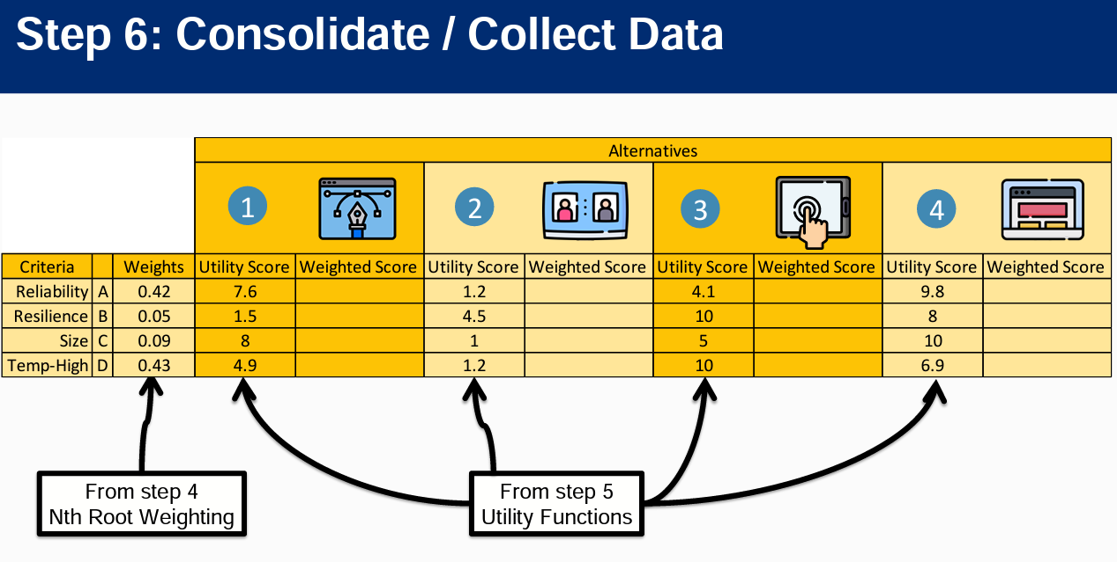
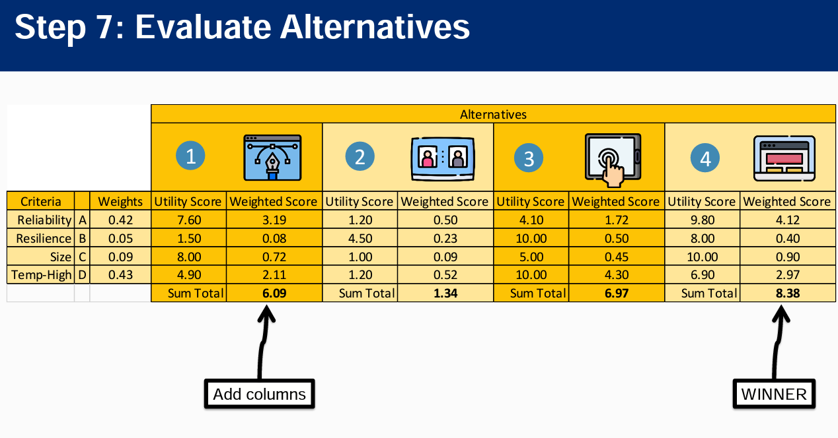
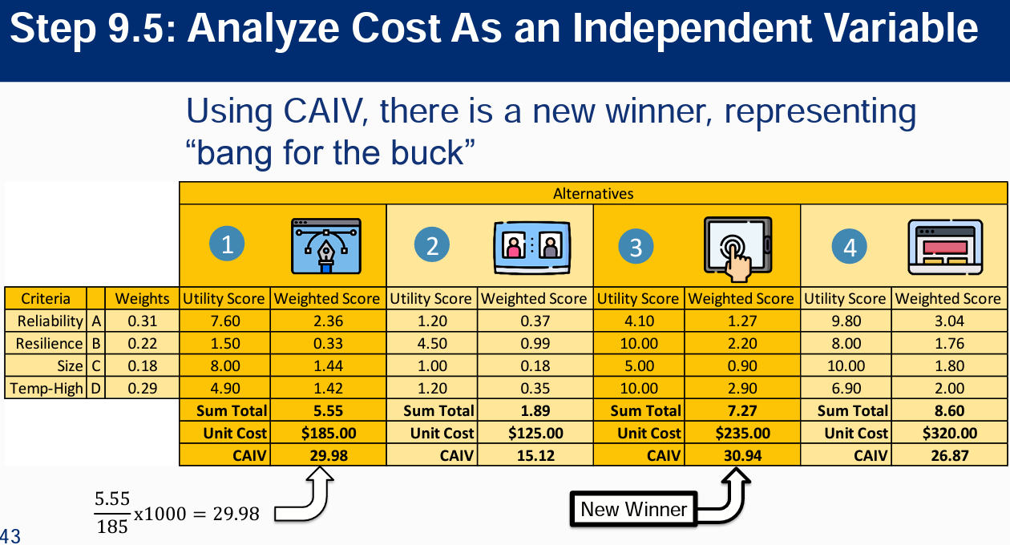
 | Nth Root Pairwise Comparison

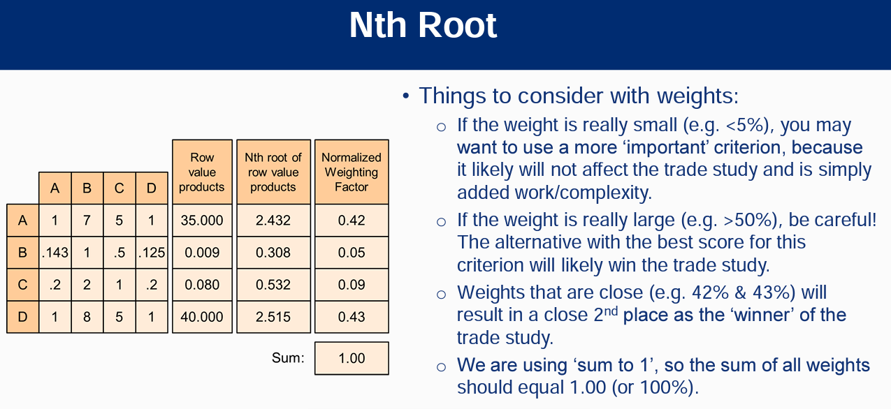
 |  | Reliability | Weight | Temperature | Resilience
 |  | A | B | C | D | Row Value Products | Nth Root of Value Products | Normalized Weighting Factors
Reliability | A | 1.00 | 7.00 | 5.00 | 1.00 | 35.000 | 2.432 | 0.420
Weight | B | 0.14 | 1.00 | 0.50 | 0.13 | 0.009 | 0.307 | 0.053
Temperature | C | 0.20 | 2.00 | 1.00 | 0.20 | 0.080 | 0.532 | 0.092
Resilience | D | 1.00 | 8.00 | 5.00 | 1.00 | 40.000 | 2.515 | 0.435
 |  |  |  |  |  | Sum of Nth Roots: | 5.786 | 1.000

